Bug Report
Defect Report |  | Defect Report | Defect Report | Defect Report

Bug ID | BUG_001 | Bug ID | Bug ID | Bug ID
Title | No web-based contact form on the Contact page - only a mailto link | Title | Title | Title
Module | Website - Contact | Module | Module | Module
Environment | Live site, hisabdo.app/contact.html, checked Aug 8, 2026 | Environment | Environment | Environment
Steps to Reproduce | 1- Navigate to https://hisabdo.app/contact.html 2- Look for a fillable contact form (name/email/message) | Steps to Reproduce | Steps to Reproduce | Steps to Reproduce
Expected Result | A working on-page contact form should be available for visitors who don't have a configured email client on their current device (e.g. browsing from a work PC) | Expected Result | Expected Result | Expected Result
Actual Result | Only 'mailto:support@hisabdo.app' links are provided ('Send Email', 'Email Support Now', 'Email Us') - there is no actual HTML form to fill out on the page | Actual Result | Actual Result | Actual Result
Severity | Low | Severity | Severity | Severity
Priority | Low | Priority | Priority | Priority
Screenshot | 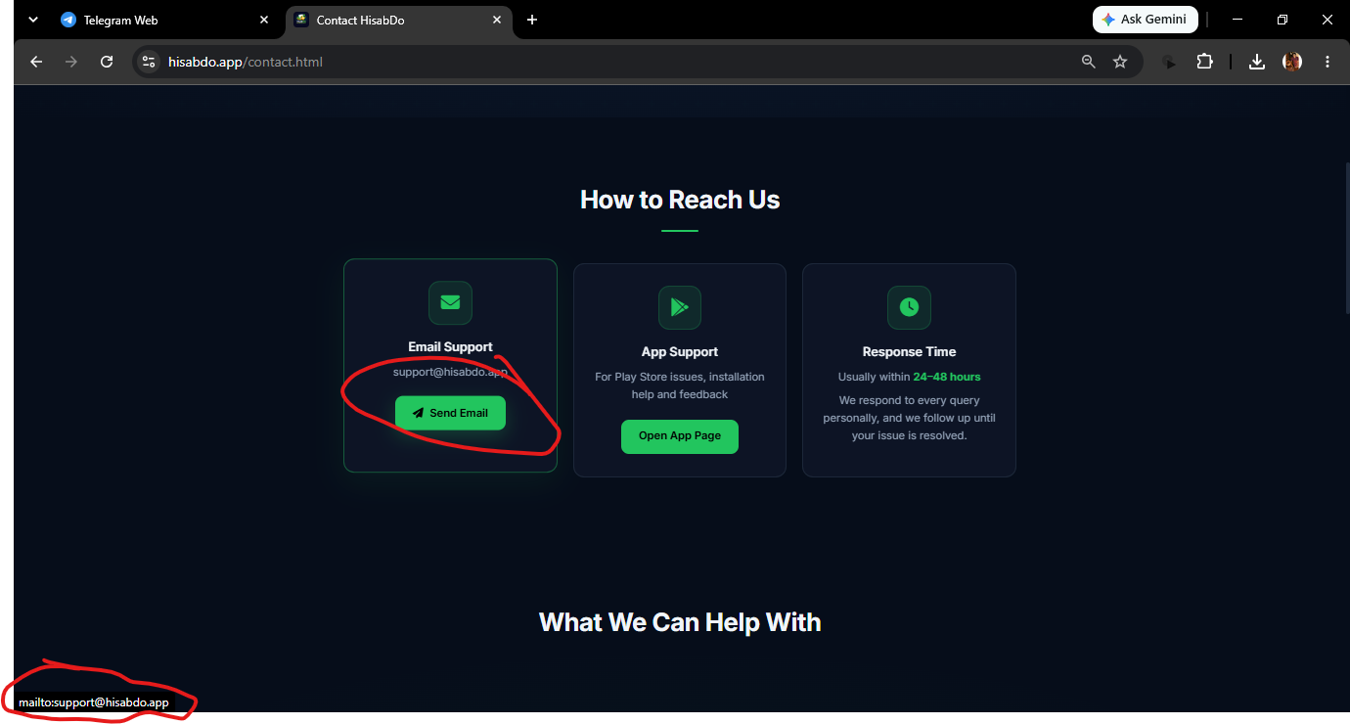 | Screenshot
Status | open | Status

